Run Chart
Run Chart Template
Developed by Richard Scoville, PhD. (richard@rscoville.net)
 | Graph Label | Graph Title
 | Y Axis Label | Y Axis Label
 | X Axis Label | X Axis Label

Enter dates or observation numbers into the green cells at right. (clear the sample data before you begin)
Enter your data values into the blue cells. Goal values are optional.
Don't leave any blank cells in the Date/Observation column.
Enter an 'X' into the End Median column to mark the last row to be included in the median
Enter your graph title, x axis, and y axis label into the cells provided.
Use the boxes below the graph to annotate where interventions were introduced. Drag the box to the data point on the graph. (Note: This may require some formatting adjustments.)
Use regular Excel commands to configure the graph.
See sheet 'Rules for Interpreting Charts' for information about interpreting charts
Graph Title
 | Values | Median | Goal
1 | 10 | 10 | 11
2 | 12 | 10 | 11
3 | 8 | 10 | 11
4 | 13 | 10 | 11
5 | 9 | 10 | 11
 | Date / Observation | Value | Median | Goal | End Median
 | 1 | 10 | 10 | 11
 | 2 | 12 | 10 | 11
 | 3 | 8 | 10 | 11
 | 4 | 13 | 10 | 11
 | 5 | 9 | 10 | 11 | X
 |  |  | 10 | 11
 |  |  | 10 | 11
 |  |  | 10 | 11
 |  |  | 10 | 11
 |  |  | 10 | 11
 |  |  | 10 | 11
Add intervention details here and drag to corresponding data point on graph.
 |  |  | 10 | 11
 |  |  | 10 | 11
 |  |  | 10 | 11
 |  |  | 10 | 11
 |  |  | 10 | 11
 |  |  | 10 | 11
 |  |  | 10 | 11
 |  |  | 10 | 11
 |  |  | 10 | 11
 |  |  | 10 | 11
 |  |  | 10 | 11
 |  |  | 10 | 11
 |  |  | 10 | 11
 |  |  | 10 | 11
Add intervention details here and drag to corresponding data point on graph.
 |  |  | 10 | 11
Add intervention details here and drag to corresponding data point on graph.
 |  |  | 10 | 11
 |  |  | 10 | 11
 |  |  | 10 | 11
 |  |  | 10 | 11
 |  |  | 10 | 11
 |  |  | 10 | 11
Add intervention details here and drag to corresponding data point on graph.
Add intervention details here and drag to corresponding data point on graph.
 |  |  | 10 | 11
 |  |  | 10 | 11
 |  |  | 10 | 11
 |  |  | 10 | 11
 |  |  | 10 | 11
 |  |  | 10 | 11
 |  |  | 10 | 11
 |  |  | 10 | 11

Rules for Interpreting Charts
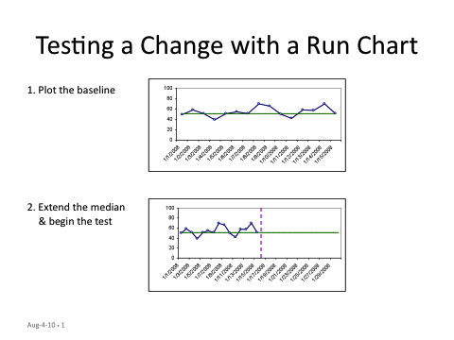
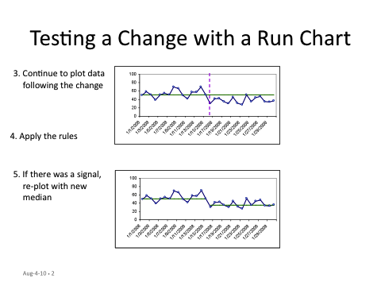
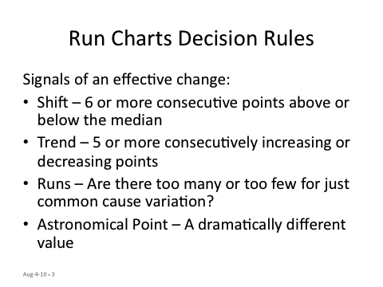
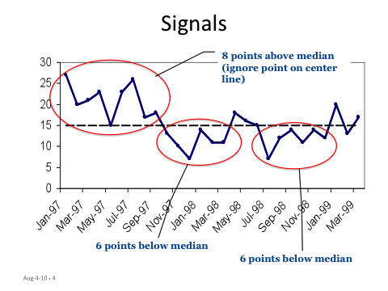
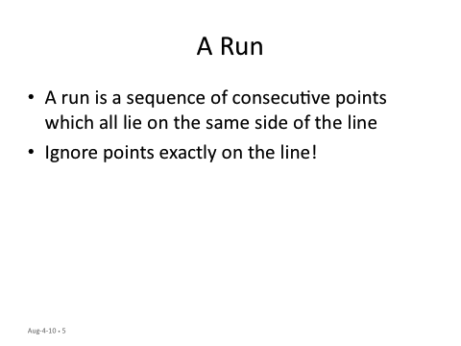
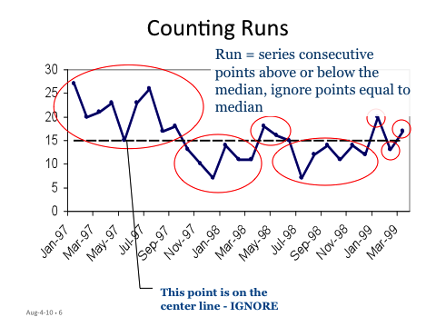
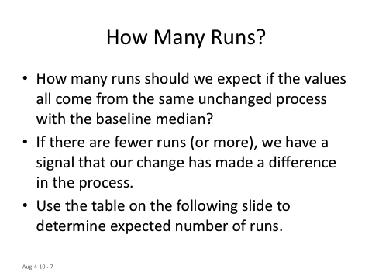
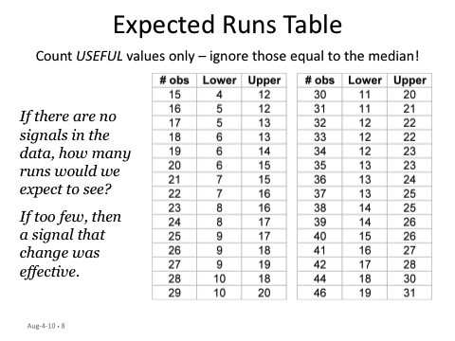
Procedure for Interpreting Run Charts

